Sheet1
 | DNG 2020 / 2021 School Year Tuition Calculator
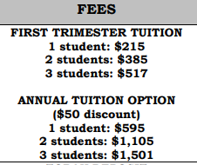

 |  | *Light blue indicates Drop Down menu

1 | Tuition Payment Option | Number of Students | Total
 | Annual Option | 1 | $595

2 | Are you a New or Returning family to DNG for the 2020-2021 School Year?
 | Returning | Toban Deposit | $-
 |  | Registration Fee | $-
 |  | Diablo JA Club Initiation Fee | $-
 |  | Diablo JA Club Annual Dues | $30 | *If you paid JA Club fees via a separate JA Club, type in '0' in this cell
 |  | JARCC Raffle | $40 | *If you paid raffle fees via a separate JA Club, type in '0' in this cell

3 | Would you like to purchase an Adult or Child T-Shirt?
 |  | Quantity
 | Adult | 0 | $-

4 | School Donation (Not mandatory, but any help is appreciated!)
 | 50 |  | $50

 | Total |  | $715

